Sheet1
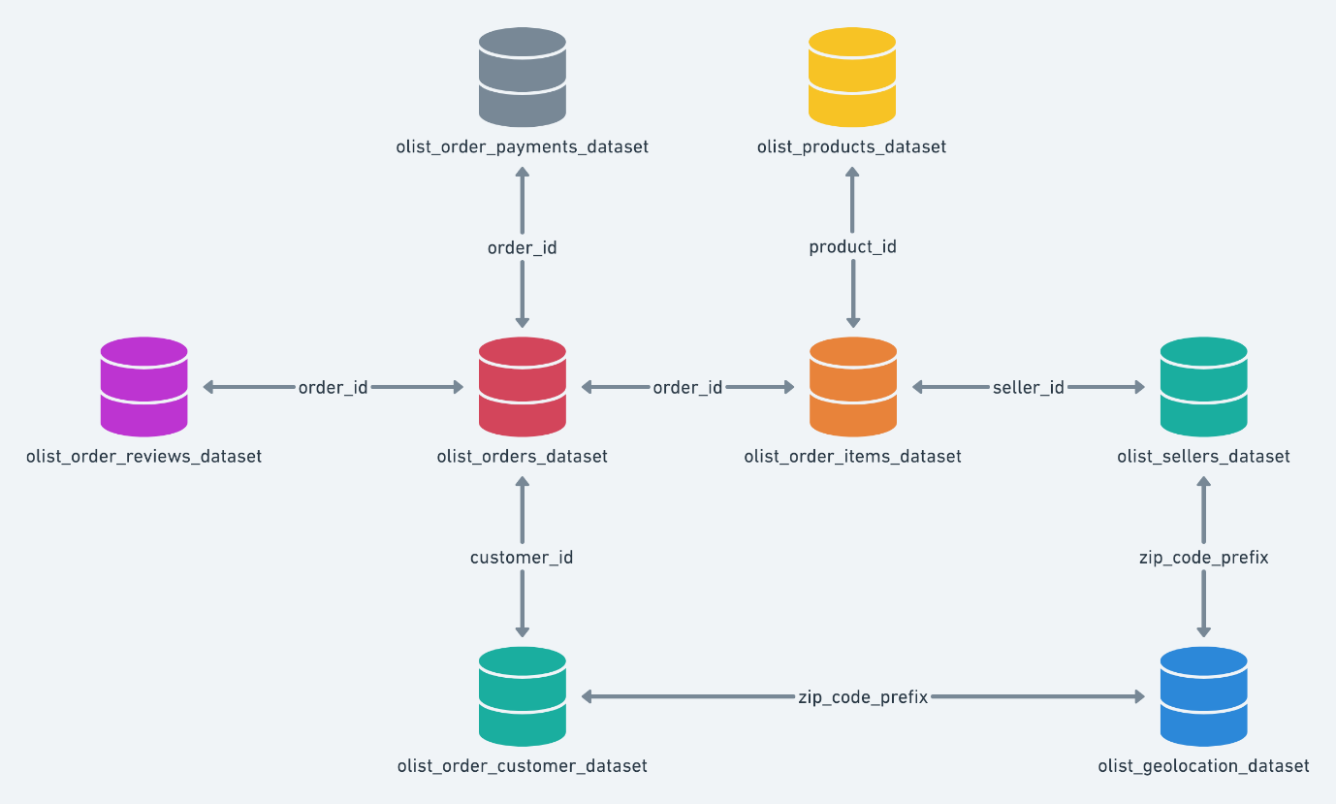
Table | Features
olist_customers_dataset | customer_id
 | customer_unique_id
 | customer_zip_code_prefix |  |  | Problem Statement: | Where does the data come from and how does it connect?
 | customer_city |  |  | Olist is experiencing significant customer dissatisfaction and revenue loss due to inaccurate delivery date estimates. Existing rule-based systems fail to account for factors such as seller reliability, geographic complexity, and temporal patterns. There is a need to build a predictive intelligence system that can proactively identify orders likely to be delayed before shipment, if delayed the customer gets a proactive notification, and the logistics team gets a prioritized action list. | This is a Brazilian ecommerce public dataset of orders made at Olist Store - sourced from Kaggle
 | customer_state | Merge | customer_id
olist_geolocation_dataset | geolocation_zip_code_prefix |  | order_id
 | geolocation_lat |  | seller_id
 | geolocation_lng |  |  | What metric will you optimize, and why that one instead of another?
 | geolocation_city |  |  | Baseline Model - Logistic Regression, Random Forest. Recall - False Negatives(missed delay) → high cost (customer dissatisfaction, refunds)
 | geolocation_state
olist_order_items_dataset | order_id
 | order_item_id
 | product_id
 | seller_id | Order-Level Aggregate - create_order_features()
 | shipping_limit_date
 | price
 | freight_value
olist_order_payments_dataset | order_id
 | payment_sequential
 | payment_type
 | payment_installments
 | payment_value |  | Final_selection(DataFrame):
olist_order_reviews_dataset | review_id |  | approval_delay
 | order_id |  | estimated_delivery_time
 | review_score | Engineered Features - create_time_features() | purchase_day_of_week
 | review_comment_title |  | purchase_hour |  | Feature Engineering
 | review_comment_message |  | total_items
 | review_creation_date |  | total_price | load_data() | convert_dates() | create_time_features()
 | review_answer_timestamp |  | total_freight_value
olist_orders_dataset | order_id |  | customer_state
 | customer_id | orders['purchase_day_of_week'] = orders['order_purchase_timestamp'].dt.dayofweek | seller_state | merge_all() | create_target() | create_order_features()
 | order_status |  | is_delayed
 | order_purchase_timestamp | orders['purchase_hour'] = orders['order_purchase_timestamp'].dt.hour |  | final_selection() | clean_data(): clean+encoded df | to_csv
 | order_approved_at | approval_delay = order_approved_at - order_purchase_timestamp
 | order_delivered_carrier_date
 | order_delivered_customer_date
 | order_estimated_delivery_date | estimated_delivery_time = order_estimated_delivery_date - order_purchase_timestamp'
olist_products_dataset | product_id |  |  |  | Identified risks & challenges, edge cases:
 | product_category_name | is_delayed = order_delivered_customer_date > order_estimated_delivery_date | Target Variable - create_target() |  | - Limited Table Usage - Limited Features - Imbalanced Data Problem
 | product_name_lenght
 | product_description_lenght
 | product_photos_qty
 | product_weight_g
 | product_length_cm
 | product_height_cm
 | product_width_cm
olist_sellers_dataset | seller_id
 | seller_zip_code_prefix
 | seller_city
 | seller_state
product_category_name_translation | product_category_name
 | product_category_name_english

 |  |  | HLD | LLD

 |  |  | Raw CSV Files ↓ Data Ingestion ↓ Data Preprocessing ↓ Feature Engineering ↓ Feature Store / Dataset ↓ Model Training ↓ Model Evaluation ↓ Model Deployment ↓ Prediction (Batch / Real-time) | [Raw Data Sources] ├── orders.csv ├── order_items.csv ├── customers.csv └── sellers.csv │ ▼ [Data Ingestion Layer] → load_data() │ ▼ [Preprocessing Layer] → convert_dates() │ ▼ [Feature Engineering Layer] → create_time_features() → create_order_features() → create_target() │ ▼ [Data Integration Layer] → merge_all() │ ▼ [Feature Selection]→ final_selection() │ ▼ [Data Cleaning + Encoding] → clean_data() │ ▼ [Final Feature Dataset] → final_poc_dataset.csv

 |  |  |  | ML Pipeline:
 |  |  |  | [Train/Test Split] │ ▼ [Model Training] (e.g., Logistic Regression /Random Forest/ XGBoost) │ ▼ [Model Evaluation] → Precision, Recall, Accuracy, F1, ROC-AUC │ ▼ [Model Artifact] → saved_model.pkl │ ▼ [Deployment Layer] ├── Batch Prediction (daily jobs) └── Real-time API │ ▼ [Predictions] → is_delayed = 0 / 1

